Introduction
This document contains examples methods for tracking hardware, software, and sensitive information in an organization.

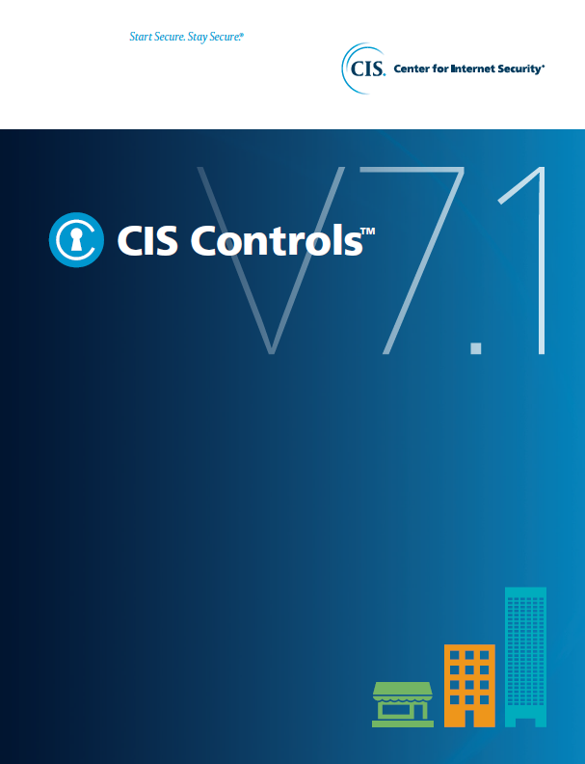

Contact Information
CIS
31 Tech Valley Drive
East Greenbush, NY 12061
518.266.3460
controlsinfo@cisecurity.org

